Sheet1

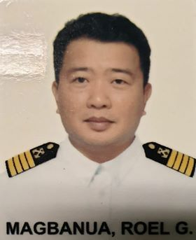 PICTURE HERE |  | Registration Form

DATE: | 10TH AUGUST 2020 |  |  |  |  |  |  | MEMBER CODE: 00116
MEMBER PERSONAL DETAILS
FAMILY NAME: |  | MAGBANUA |  |  |  | BIRTHDATE(mm/dd/yy): |  |  | 9/15/1977
FIRST NAME: |  | ROEL |  |  |  | AGE: | 42
MIDDLE NAME: |  | GODINEZ |  |  |  | BIRTHPLACE: |  | BADIAN, CEBU
SUFFIX:
NICK-NAME: |  | ROEL |  |  |  | GENDER: | MALE
POSITION: |  | CHIEF MATE |  |  |  | STATUS: | MARRIED
MANNING COMPANY: |  |  | FOSCON SHIPMANAGEMENT INC.
CONTACT PERSON: |  | MR. ROMAR M. CRUZ |  |  |  | CONTACT NUMBER: |  | 09285004438
MEMBER CONTACT DETAILS
PERMANENT ADDRESS: |  |  | 2383 INAYAGAN, CITY OF NAGA, CEBU

EMAIL ADDRESS: |  | magbanuaroel@yahoo.com |  |  | FACEBOOK/MESSENGER: |  |  | ROEL MAGBANUA
CONTACT NUMBER: |  | 09218347772

ADDRESS IN MANILA (IF RESIDING IN PROVINCE)

MEMBER EMERGENCY CONTACT DETAILS
CONTACT NAME AND ADDRESS IN CASE OF ACCIDENT:
FULL NAME: |  | LIZA MARIE MAGBANUA |  |  |  | RELATIONSHIP TO THE MEMBER: |  |  | WIFE
ADDRESS: |  | 2383 INAYAGAN, CITY OF NAGA CEBU
CONTACT NUMBER: |  |  | 09213963691
AGE: | 45 |  |  | BIRTHDATE: mm/dd/yyy |  | 2/15/1975 |  | GENDER: | FEMALE

MEMBER BENEFICIARIES
NAME |  |  |  | RELATION |  | BIRTHDATE mm/dd/yyyy |  | AGE
LIZA MARIE MAGBANUA |  |  |  | WIFE |  | 2/15/1975 |  | 45
GWEN MARIE M. MAGBANUA |  |  |  | DAUGHTER |  | 7/18/2003 |  | 17
ARIANNE MAE M. MAGBANUA |  |  |  | DAUGHTER |  | 2008-12-08 |  | 11

REFERRED BY: |  |  | CHIEF MATE GARCIANO

I HEREBY CONFIRMED THAT THE ABOVE DETAILS IS TRUE AND CORRECT

FORM-001-2019(Rev.0) |  |  |  |  |  | SIGNATURE
HMI

